Contact CC
Contact Details

Phone: 00356 25 688 688
Email: info@cc.com.mt
Website: www.cc.com.mt

Valletta Head Office
Address: 5th Floor, Valletta Buildings, South Street, Valletta.
Opening Hours: Mon – Friday 08:30 - 19.00
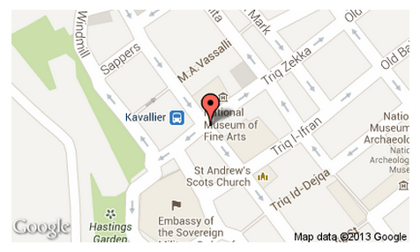

Qormi Branch
Address: Warner Complex, Victory Street, Qormi, Malta.
Opening Hours: Monday – Friday 08:30 – 19.00| Sat 09:00 – 13:00

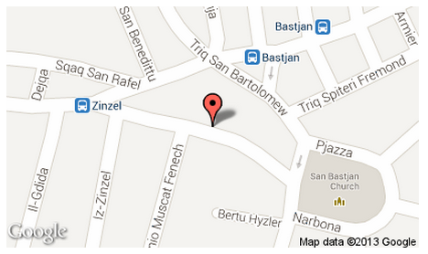

Sliema Branch
Address: 116A, Tower Road, Sliema, Malta.
Opening Hours: Monday – Friday 08:30 – 19:00 | Sat 09:00 – 13:00
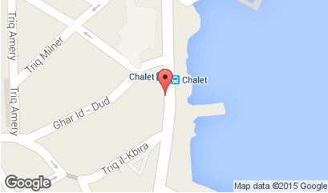

Fgura Branch
Address: 252, Hompesch Road, Fgura, Malta.
Opening Hours: Monday – Friday 08:30 – 19:00 | Sat 09:00 – 13:00
